Hiearchy View
CLASS: FAN COIL UNIT
a device that uses a coil and a fan to heat or cool a room without connecting to ductwork. |  | 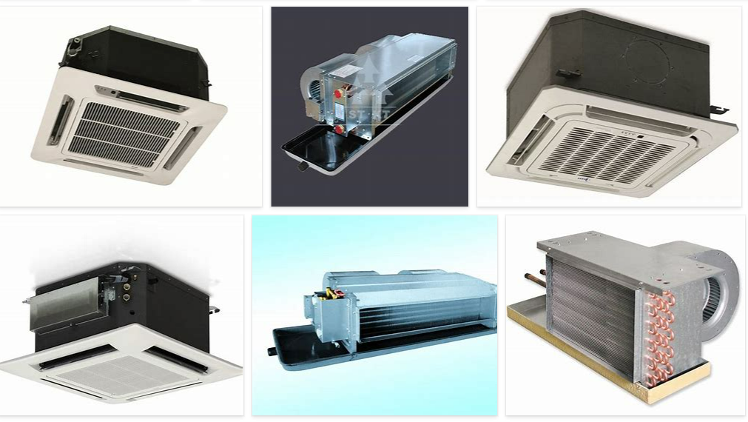
REMOVE | N

PROBLEM_DESC | CAUSE_DESC | REMEDY_DESC
ALARM/SENSOR
BROKEN/DAMAGED
NOISE
OTHER PROBLEM
POWER-ELEC
STOPPED/SLOWED/POOR OPS
TEMP-CTRL
VIBRATION
Grand Total

